SUMMARY
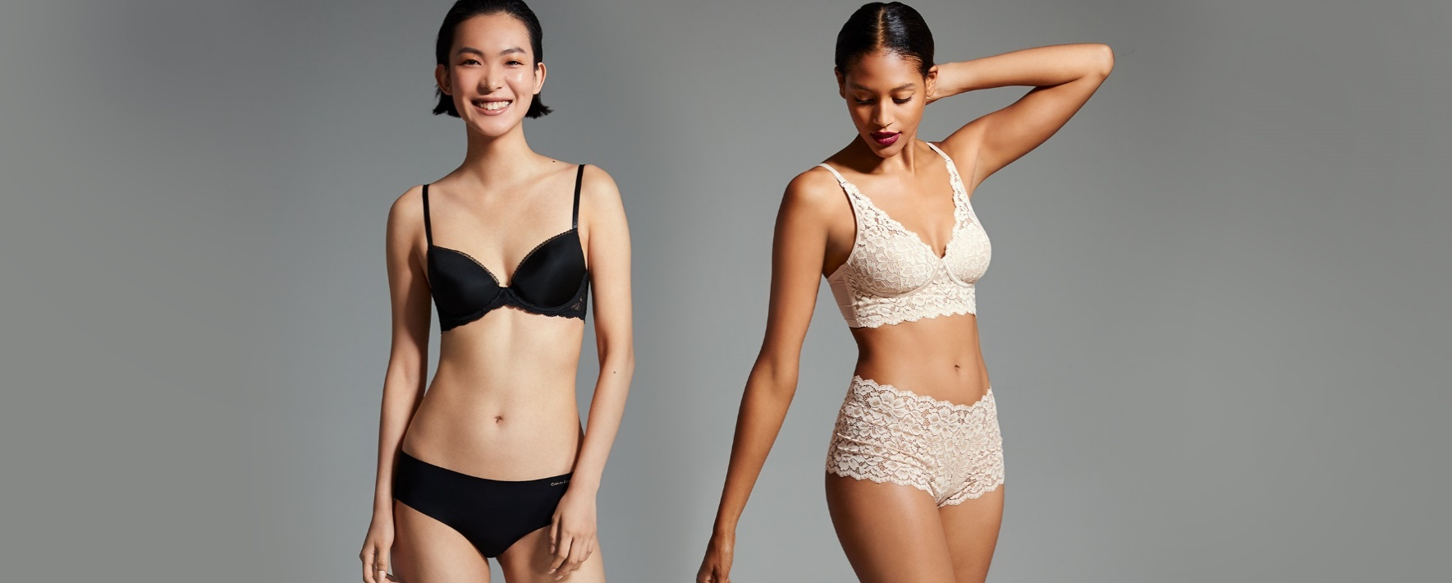 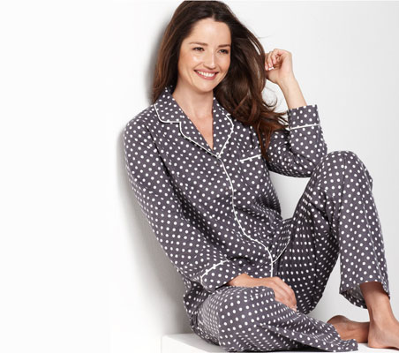
LOCATION | LOT # | CATEGORY | SEASON CODE | # OF PALLETS | ORIGINAL RETAIL | # OF UNITS
FL | 14440178 | INTIMATE APPAREL/ SLEEPWEAR | PRIMARILY FALL AND WINTER | 1 | $16,568.42 | 531
FL | 14436042 | INTIMATE APPAREL/ SLEEPWEAR | PRIMARILY FALL AND WINTER | 1 | $14,426.85 | 450
FL | 14418920 | INTIMATE APPAREL/ SLEEPWEAR | PRIMARILY FALL AND WINTER | 1 | $16,688.22 | 564
FL | 14316398 | INTIMATE APPAREL/ SLEEPWEAR | PRIMARILY FALL AND WINTER | 1 | $31,034.54 | 1102
FL | 14334819 | INTIMATE APPAREL/ SLEEPWEAR | PRIMARILY FALL AND WINTER | 1 | $14,072.04 | 474
FL | 14335074 | INTIMATE APPAREL/ SLEEPWEAR | PRIMARILY FALL AND WINTER | 1 | $26,109.24 | 955
FL | 14347145 | INTIMATE APPAREL/ SLEEPWEAR | PRIMARILY FALL AND WINTER | 1 | $31,273.69 | 1158
FL | 14351541 | INTIMATE APPAREL/ SLEEPWEAR | PRIMARILY FALL AND WINTER | 1 | $21,257.51 | 808
FL | 14351546 | INTIMATE APPAREL/ SLEEPWEAR | PRIMARILY FALL AND WINTER | 1 | $15,833.47 | 589
FL | 14360720 | INTIMATE APPAREL/ SLEEPWEAR | PRIMARILY FALL AND WINTER | 1 | $10,938.34 | 338
FL | 14376133 | INTIMATE APPAREL/ SLEEPWEAR | PRIMARILY FALL AND WINTER | 1 | $25,600.06 | 786
FL | 14404660 | INTIMATE APPAREL/ SLEEPWEAR | PRIMARILY FALL AND WINTER | 1 | $2,859.72 | 147
 |  |  |  | 12 | $226,662.10 | 7902

 |  |  |  | Price $22,600.00
 |  |  |  | 12 pallets / EXW FL

